BR2
Bug ID | B-112
Bug name: | Button like for example "Other comics" from shown comic covers the description of the unsuccessfully loaded photo
Environment: | Chrome Version 87.0.4280.88
Description: | When image of the comic doesn't load as it should be, description of the image is covered by a button of the type of comic to which the highlighted comic belongs to.
Steps to reproduce: | Open browser
 | Input URL https://getcomics.info/
 | Scroll down to see highlighted comics

Expected result: | The image is shown, or the description of image is above button for that type of comics.
Actual result:
Assigning to: | Milica Stojkov
Repro rate: | <10%
Priority: | Low
Severity: | Low
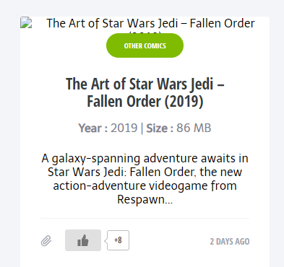
Screenshot: | https://drive.google.com/file/d/1BObHHHiR4UvSFNY52ZV00ahOriSXnJT-/view?usp=sharing

